BSP freezer inventory list
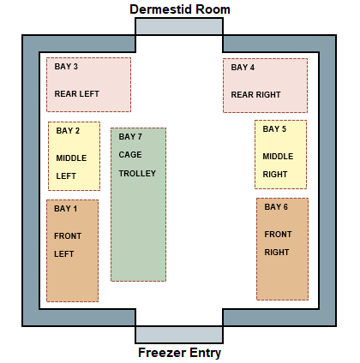
 |  | Biological Specimen Preparation Laboratory |  |  | Freezer

Freezer Bay | Shelf Location | Common Name | Size of Specimen | Weight of Specimen | Risk Type | Date acquired | Date reviewed | Source | Approval to aquire (date of approval) | Owner of specimen | Notes | Photo

Freezer Layout Map
Dermestid Room

BAY 3
REAR LEFT
BAY 4
REAR RIGHT

BAY 5
MIDDLE
RIGHT
BAY 2
MIDDLE
LEFT
BAY 7
CAGE
TROLLEY

BAY 1
FRONT
LEFT
BAY 6
FRONT
RIGHT

Freezer Entry

